Instructions
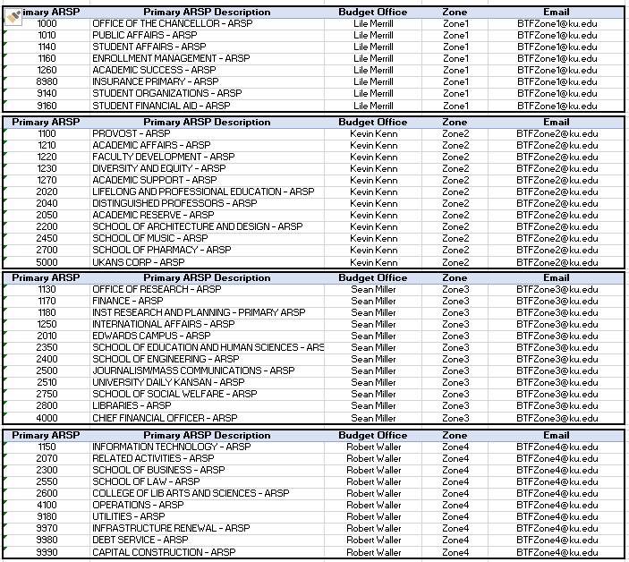
Items to Complete are highlighted in yellow on the Blank Form

Journal | Please provide a Journal Name (up to 50 characters) and follows the naming convention of your department, such as ENGR 0001 OOE Transfer
Description | Please provide a detailed description for this transfer (up to 240 characters)
Name | Please provide your name |  | Indicates salary and fringe accounts

Addl details | Either on this form or in your email request, provide anyone that needs to be cc;d after the BTF has been processed | NonProject Budget Category Values
 |  | 170002 | VEHICLES (CAP)
 |  | 170010 | CAPITAL ASSET CLEARING (CAP)
Fund | Provide the 3 digit fund | 510001 | SALARIES UNIVERSITY SUPPORT
Account | Provide the 6 digit non project budget category value | 510003 | SALARIES UNCLASSIFIED
Cost Center | Provide the 7 digit cost center value | 510004 | GTA SALARY BUDGETS
CF1 | Provide a CF1 value; if not applicable, leave as the 0000000000 default value | 510005 | STUDENT SALARIES
KUEA | Provide a KUEA 6 varchar value; if not applicable, leave as the 000000 default value | 510006 | FRINGES
Interfund | Leave as default of 001 | 510007 | GRA AND SRA AND GRAD INTERN SALARIES
Future1 | Leave as default of 0 | 510008 | LECTURER SALARIES
Future2 | Leave as default of 0 | 510009 | FACULTY SALARIES
 |  | 520001 | CONTRACTS AND SERVICES P1
Entered Debit (TO) | Provide a positive value (note a debit will increase an expense budget) | 520002 | SUPPLIES
Entered Credit (FROM) | Provide a positive value (note a credit will decrease an expense budget) | 520003 | TRAVEL DOMESTIC
 |  | 520004 | TRAVEL INTERNATIONAL
 |  | 520005 | FEES EXPENSE
Line Description | Please provide a detailed line description for the chartfield combination (up to 240 characters); you can have a unique line description | 520006 | UTILITIES
 | for each chartfield combination | 520007 | BUILDING AND IMPROVEMENTS P1
 |  | 520008 | EQUIPMENT
 |  | 520009 | COMPUTERWARE
Line Descriptive Flexfield Values | (1) if allocated fund and impacting salary or fringe account – only valid entry is a 3 digit pool id using the space.space.poolid | 520010 | MAINTENANCE
 | (2) if not an allocated fund nor salary nor fringe – this is an optional 50 character reference in this field (numbers or characters) using the format of space.space.description | 520011 | SCHOLARSHIPS AND GRANTS P1
 |  | 520012 | OTHER
See <Add addl Rows> if you need to create more lines in the Blank Form document |  | 520023 | CARRY FORWARD
 |  | 560001 | DEBT SERVICE TRANSFERS
Confirm the completed entry balances (Confirm cells K23 and K24 match) |  | 570002 | INTERFUND TRANSFERS

You can put multiple funds on one transfer form, but the entry has to net to zero for each fund; Meaning, you cannot use a Budget Transfer Form to move funds from one fund to another fund.

Effective 09/06/2018, when completed and balanced forward to your zone email addressess

Add addl Rows
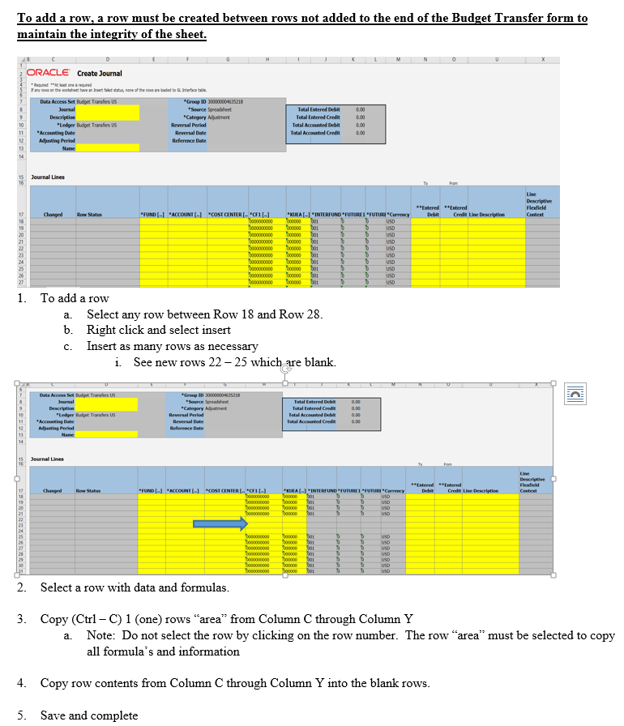

Sample
Reflects as Other Reference in OAC reports
 | Create Journal

Journal reflects as Reference value in OAC
Description reflects as Header Description in OAC
* Required **At least one is required
If any rows on the worksheet have an Insert failed status, none of the rows are loaded to GL Interface table.

Reflects as Line Description in OAC reports
Data Access Set | Budget Transfers US |  | *Group ID | 300000004635218
Journal | SOCW 0001 |  | *Source | Spreadsheet |  |  | Total Entered Debit | 250.00
Description | Transferring Pool and Posn Salary to OOE |  | *Category | Adjustment |  |  | Total Entered Credit | 250.00
*Ledger | Budget Transfers US |  | Reversal Period |  |  |  | Total Accounted Debit | 0.00
*Accounting Date |  |  | Reversal Date |  |  |  | Total Accounted Credit | 0.00
Adjusting Period |  |  | Reference Date
Name | Sean Miller

Journal Lines |  |  |  |  |  |  |  |  |  |  |  |  |  |  | For Budget Office to be able to upload this column the format must be "space.space.Description."

Changed | Row Status | *FUND [..] | *ACCOUNT [..] | *COST CENTER [..] | *CF1 [..] | *KUEA [..] | *INTERFUND [..] | *FUTURE1 [..] | *FUTURE2 [..] | *Currency | **Entered Debit | **Entered Credit | Line Description | Line Descriptive Flexfield Context | Line Descriptive Flexfield Values
 |  | 099 | 510003 | 2510000 | 0000000000 | 000000 | 001 | 0 | 0 | USD |  | 100.00 | Transferring Pool Salary to OOE |  | . .U01
 |  | 099 | 520002 | 2510000 | 0000000000 | 000000 | 001 | 0 | 0 | USD | 250.00 |  | Transferring Pool Salary to OOE
 |  | 099 | 510003 | 2510000 | 0000000000 | 000000 | 001 | 0 | 0 | USD |  | 150.00 | Transferring Position Salary to OOE |  | . .00000018
DO NOT USE THIS FORM -- SAMPLE ONLY
 |  |  |  |  |  |  | 001 | 0 | 0 | USD
 |  |  |  |  |  |  | 001 | 0 | 0 | USD
 |  |  |  |  |  |  | 001 | 0 | 0 | USD
 |  |  |  |  |  |  | 001 | 0 | 0 | USD
 |  |  |  |  |  |  | 001 | 0 | 0 | USD
 |  |  |  |  |  |  | 001 | 0 | 0 | USD
 |  |  |  |  |  |  | 001 | 0 | 0 | USD

