Instructions
Items to Complete are highlighted in yellow on the Blank Form
 |  |  |  | Indicates salary and fringe accounts
Journal | Please provide a Journal Name (up to 50 characters) and follows the naming convention of your department, such as ENGR 0001 OOE Transfer
Description | Please provide a detailed description for this transfer (up to 240 characters) |  | NonProject Budget Category Values
Name | Please provide your name |  | 170002 | VEHICLES (CAP)
 |  |  | 170010 | CAPITAL ASSET CLEARING (CAP)
Addl details | Either on this form or in your email request, provide anyone that needs to be cc;d after the BTF has been processed |  | 510001 | SALARIES UNIVERSITY SUPPORT
 |  |  | 510003 | SALARIES UNCLASSIFIED
 |  |  | 510004 | GTA SALARY BUDGETS
Fund | Provide the 3 digit fund (See reference 1.0 & 1.1 below) |  | 510005 | STUDENT SALARIES
Account | Provide the 6 digit non project budget category value |  | 510006 | FRINGES
Cost Center | Provide the 7 digit cost center value |  | 510007 | GRA AND SRA AND GRAD INTERN SALARIES
CF1 | Provide a CF1 value; if not applicable, leave as the 0000000000 default value |  | 510008 | LECTURER SALARIES
KUEA | Provide a KUEA 6 varchar value; if not applicable, leave as the 000000 default value |  | 510009 | FACULTY SALARIES
Interfund | Leave as default of 001 |  | 520001 | GENERAL SERVICES
Future1 | Leave as default of 0 |  | 520002 | SUPPLIES
Future2 | Leave as default of 0 |  | 520003 | TRAVEL
 |  |  | 520005 | PROFESSIONAL SERVICES-CONSULTING
Entered Debit (TO) | Provide a positive value (note a debit will increase an expense budget) |  | 520006 | UTILITIES
Entered Credit (FROM) | Provide a positive value (note a credit will decrease an expense budget) |  | 520009 | IT HARDWARE-SOFTWARE
 |  |  | 520010 | MAINTENANCE
 |  |  | 520011 | SCHOLARSHIPS AND GRANTS P1
Line Description | Please provide a detailed line description for the chartfield combination (up to 240 characters); |  | 520012 | OTHER
 | you can have a unique line description for each chartfield combination |  | 520023 | CARRY FORWARD
 |  |  | 560001 | DEBT SERVICE TRANSFERS
 |  |  | 570002 | INTERFUND TRANSFERS
Line Descriptive Flexfield Values | Optional 50 character reference in this field (numbers or characters)
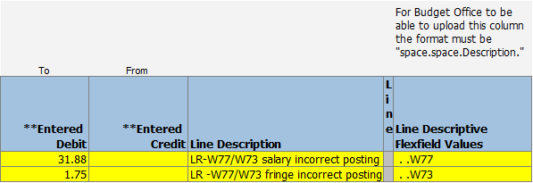
 | using the format of space.space.description

BTFs can impact a pool/position “budget” but, only if you update the BTF properly and if the end user reviews the correct OAC report.
if a unit wants to impact a budget at the position or pool level on an allocated fund (088 099 730 731), two steps:
1. The BTF’s Column Y described as Line Descriptive Flexfield Value has to be updated properly using the space.space.Description format (see screen shot).
For the description, if you want a pool id referenced, key the space.space and the 3 digit pool id. A position value will be the full 8 values including any preceding zeros
2. The end user needs to review the results the following day using the customized OAC dashboard found here. This dashboard will join the BTF results to the position or pool line:

https://oac.ku.edu/analytics/saw.dll?Dashboard&PortalPath=%2Fshared%2FCampus%20Share%2FAdministrative%20Units%2FBudget%20Office%2FAdmin%2FAdmin%20Position%20Line%20Report&Page=page%201&PageIdentifier=j83co8s715m6a56u&BookmarkState=7nm30ngplp17mihgfn3srphkli&options=mrde
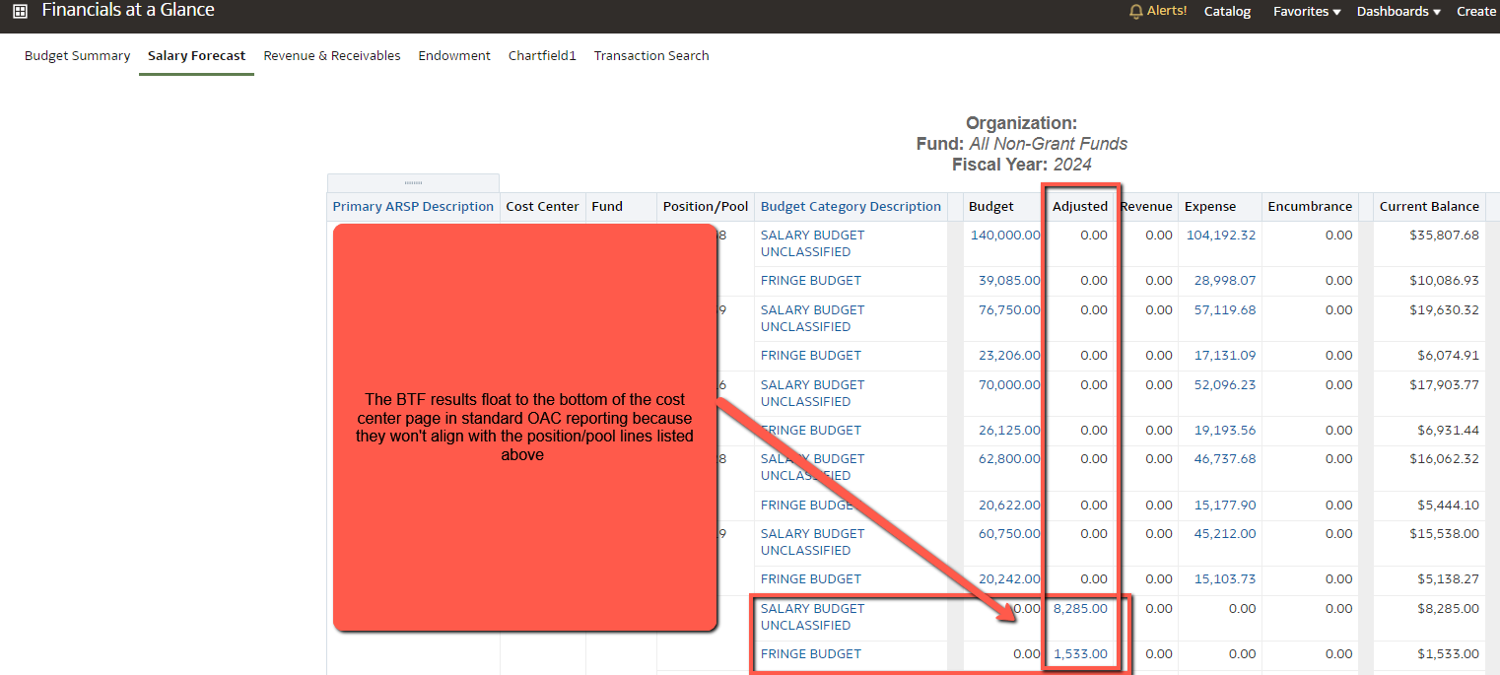

For the above hyperlink: Click "here", submit online ID and password via KU login

See <Add addl Rows> if you need to create more lines in the Blank Form document

Confirm the completed entry balances (Confirm cells K11 and K12 match) Total Entered Debit = Total Entered Credit

You can put multiple funds on one transfer form, but the entry has to net to zero for each fund; Meaning, you cannot use a Budget Transfer Form to move funds from one fund to another fund.

When completed and balanced, forward to your zone email addressess
 |  | Primary ARSP | Primary ARSP Description | Budget Office Contact | Zone Email
Reference |  | 1000 | OFFICE OF THE CHANCELLOR - ARSP | Lile Merrill | BTFZone1@ku.edu
1.0 | If the BTF references only 9xx funds, forward directly to BTF_Research@ku.edu | 1010 | PUBLIC AFFAIRS - ARSP | Lile Merrill | BTFZone1@ku.edu
 | for processing and cc the end user indicating the BTF has to be reviewed, | 1140 | STUDENT AFFAIRS - ARSP | Lile Merrill | BTFZone1@ku.edu
 | approved and processed by Research. | 1160 | ENROLLMENT MANAGEMENT - ARSP | Lile Merrill | BTFZone1@ku.edu
1.1 | Fund = FMP is a valid fund to use for managing internal use of funds | 8980 | INSURANCE PRIMARY - ARSP | Lile Merrill | BTFZone1@ku.edu
 |  | 9140 | STUDENT ORGANIZATIONS - ARSP | Lile Merrill | BTFZone1@ku.edu
 |  | 9160 | STUDENT FINANCIAL AID - ARSP | Lile Merrill | BTFZone1@ku.edu

 |  | 1100 | PROVOST - ARSP | Kevin Kenn | BTFZone2@ku.edu
 |  | 1210 | ACADEMIC AFFAIRS - ARSP | Kevin Kenn | BTFZone2@ku.edu
 |  | 1220 | FACULTY DEVELOPMENT - ARSP | Kevin Kenn | BTFZone2@ku.edu
 |  | 1230 | DIVERSITY AND EQUITY - ARSP | Kevin Kenn | BTFZone2@ku.edu
 |  | 1270 | ACADEMIC SUPPORT - ARSP | Kevin Kenn | BTFZone2@ku.edu
 |  | 2020 | JAYHAWK GLOBAL | Kevin Kenn | BTFZone2@ku.edu
 |  | 2040 | DISTINGUISHED PROFESSORS - ARSP | Kevin Kenn | BTFZone2@ku.edu
 |  | 2050 | ACADEMIC RESERVE - ARSP | Kevin Kenn | BTFZone2@ku.edu
 |  | 2200 | SCHOOL OF ARCHITECTURE AND DESIGN - ARSP | Kevin Kenn | BTFZone2@ku.edu
 |  | 2450 | SCHOOL OF MUSIC - ARSP | Kevin Kenn | BTFZone2@ku.edu
 |  | 2700 | SCHOOL OF PHARMACY - ARSP | Kevin Kenn | BTFZone2@ku.edu
 |  | 4200 | PROVOST OBLIGATIONS - ARSP | Kevin Kenn | BTFZone2@ku.edu
 |  | 4300 | PROVOST STRATEGIC INVESTMENTS | Kevin Kenn | BTFZone2@ku.edu
 |  | 4400 | PROVOST JCERT - ARSP | Kevin Kenn | BTFZone2@ku.edu
 |  | 5000 | UKANS CORP - ARSP | Kevin Kenn | BTFZone2@ku.edu

 |  | 1130 | OFFICE OF RESEARCH - ARSP | Sean Miller | BTFZone3@ku.edu
 |  | 1170 | FINANCE - ARSP | Sean Miller | BTFZone3@ku.edu
 |  | 1180 | INST RESEARCH AND PLANNING - PRIMARY ARSP | Sean Miller | BTFZone3@ku.edu
 |  | 1250 | INTERNATIONAL AFFAIRS - ARSP | Sean Miller | BTFZone3@ku.edu
 |  | 2010 | EDWARDS CAMPUS - ARSP | Sean Miller | BTFZone3@ku.edu
 |  | 2350 | SCHOOL OF EDUCATION AND HUMAN SCIENCES - ARSP | Sean Miller | BTFZone3@ku.edu
 |  | 2400 | SCHOOL OF ENGINEERING - ARSP | Sean Miller | BTFZone3@ku.edu
 |  | 2500 | JOURNALISM/MASS COMMUNICATIONS - ARSP | Sean Miller | BTFZone3@ku.edu
 |  | 2510 | UNIVERSITY DAILY KANSAN - ARSP | Sean Miller | BTFZone3@ku.edu
 |  | 2750 | SCHOOL OF SOCIAL WELFARE - ARSP | Sean Miller | BTFZone3@ku.edu
 |  | 2800 | LIBRARIES - ARSP | Sean Miller | BTFZone3@ku.edu
 |  | 3000 | JAYHAWK COMMUNITY PARTNERS - ARSP | Sean Miller | BTFZone3@ku.edu
 |  | 4000 | CHIEF FINANCIAL OFFICER - ARSP | Sean Miller | BTFZone3@ku.edu

 |  | 1150 | INFORMATION TECHNOLOGY - ARSP | Robert Waller | BTFZone4@ku.edu
 |  | 1260 | ACADEMIC SUCCESS - ARSP | Robert Waller | BTFZone4@ku.edu
 |  | 2070 | RELATED ACTIVITIES - ARSP | Robert Waller | BTFZone4@ku.edu
 |  | 2300 | SCHOOL OF BUSINESS - ARSP | Robert Waller | BTFZone4@ku.edu
 |  | 2550 | SCHOOL OF LAW - ARSP | Robert Waller | BTFZone4@ku.edu
 |  | 2600 | COLLEGE OF LIB ARTS AND SCIENCES - ARSP | Robert Waller | BTFZone4@ku.edu
 |  | 4100 | OPERATIONS - ARSP | Robert Waller | BTFZone4@ku.edu
 |  | 9180 | UTILITIES - ARSP | Robert Waller | BTFZone4@ku.edu
 |  | 9970 | INFRASTRUCTURE RENEWAL - ARSP | Robert Waller | BTFZone4@ku.edu
 |  | 9980 | DEBT SERVICE - ARSP | Robert Waller | BTFZone4@ku.edu
 |  | 9990 | CAPITAL CONSTRUCTION - ARSP | Robert Waller | BTFZone4@ku.edu

Add addl Rows
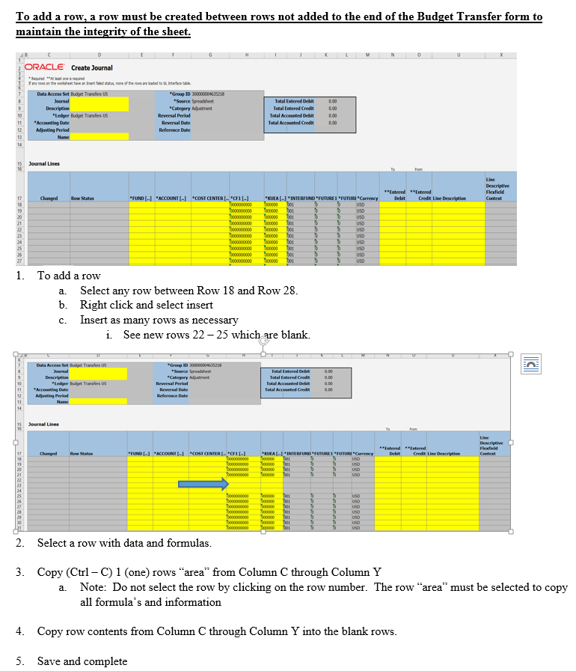

Sample
Reflects as Other Reference in OAC reports
 | Create Journal

Journal reflects as Reference value in OAC
Description reflects as Header Description in OAC
* Required **At least one is required
If any rows on the worksheet have an Insert failed status, none of the rows are loaded to GL Interface table.

Reflects as Line Description in OAC reports
Data Access Set | Budget Transfers US |  | *Group ID | 300000004635218
Journal | SOCW 0001 |  | *Source | Spreadsheet |  |  | Total Entered Debit | 250.00
Description | Transferring Pool and Posn Salary to OOE |  | *Category | Adjustment |  |  | Total Entered Credit | 250.00
*Ledger | Budget Transfers US |  | Reversal Period |  |  |  | Total Accounted Debit | 0.00
*Accounting Date |  |  | Reversal Date |  |  |  | Total Accounted Credit | 0.00
Adjusting Period |  |  | Reference Date
Name | Sean Miller

Journal Lines |  |  |  |  |  |  |  |  |  |  |  |  |  |  | For Budget Office to be able to upload this column the format must be "space.space.Description."

Changed | Row Status | *FUND [..] | *ACCOUNT [..] | *COST CENTER [..] | *CF1 [..] | *KUEA [..] | *INTERFUND [..] | *FUTURE1 [..] | *FUTURE2 [..] | *Currency | **Entered Debit | **Entered Credit | Line Description | Line Descriptive Flexfield Context | Line Descriptive Flexfield Values
 |  | 099 | 510003 | 2510000 | 0000000000 | 000000 | 001 | 0 | 0 | USD |  | 100.00 | Transferring Pool Salary to OOE |  | . .U01
 |  | 099 | 520002 | 2510000 | 0000000000 | 000000 | 001 | 0 | 0 | USD | 250.00 |  | Transferring Pool Salary to OOE
 |  | 099 | 510003 | 2510000 | 0000000000 | 000000 | 001 | 0 | 0 | USD |  | 150.00 | Transferring Position Salary to OOE |  | . .00000018
DO NOT USE THIS FORM -- SAMPLE ONLY
 |  |  |  |  |  |  | 001 | 0 | 0 | USD
 |  |  |  |  |  |  | 001 | 0 | 0 | USD
 |  |  |  |  |  |  | 001 | 0 | 0 | USD
 |  |  |  |  |  |  | 001 | 0 | 0 | USD
 |  |  |  |  |  |  | 001 | 0 | 0 | USD
 |  |  |  |  |  |  | 001 | 0 | 0 | USD
 |  |  |  |  |  |  | 001 | 0 | 0 | USD

